Issue Sheet
Issue Sheet

r | Control Information

 |  | Issue No. |  | TIP | I | A | 01903 | Type |  |  | Request |  | Status |  |  | OPEN
 |  | Creation Date |  | 2020-11-04 |  |  |  | Due Date |  |  | 2020-11-04 |  | Close Date
 |  | Priority |  | High |  |  |  | System |  |  | EBS |  | Application Module |  |  | IA(Addon)

r | Inquiry Information

 |  | [TIP ENDUSER/TIPISD/ME-Sui] |  |  |  |  |  |  | [TIPISD/ME-Sui] |  |  |  |  | [ME-Sui]
 |  |  | Request | Approval |  |  |  |  |  | Registration |  | Approval |  |  | Reception |  | Assignment
 |  | Dept. | TIP-ISD | TIP-ISD |  |  |  |  | Dept. |  |  |  |  | Dept.
 |  | Name | R. De Villa | C. Tapia |  |  |  |  | Name |  |  |  |  | Name
 |  | Date | 2020-11-04 | 2020-11-04 |  |  |  |  | Date |  |  |  |  | Date

 |  | Issue Category |  | Application
 |  | Title |  | IA Material Classification code error
 |  | Issue |  | Error occurred because segment11 of affected code combination was set to '000000' instead of '0000'

**PLEASE FILL OUT ORANGE SHEETS ALSO**

 |  | Reason |  | Incorrect setup

 |  | Detail Attachment |  | Yes |  |  |  | Link to Attachment Sheet

r | Investigation Information

 |  | [TIPISD/ME-Sui] |  |  |  |  |  |  | [TIPISD/ME-Sui] |  |  |  |  | [TIP ENDUSER]
 |  |  | Investigation | Approval |  |  |  |  |  | Confirmation |  | Approval |  |  | Confirmation |  | Approval
 |  | Dept. | TIP-ISD | TIP-ISD |  |  |  |  | Dept. |  |  |  |  | Dept.
 |  | Name | R. De Villa | C. Tapia |  |  |  |  | Name |  |  |  |  | Name
 |  | Date | 2020-11-04 | 2020-11-04 |  |  |  |  | Date |  |  |  |  | Date

 |  | Cause Category |  | Setup Mistake
 |  | Cause |  | Incorrect setup

 |  | Workaround and Countermeasure |  | correct the COA in IA and direct update of the affected data in IAS_TRANS%

 |  | Detail Attachement |  |  |  |  |  | Link to Attachment Sheet

r | Actual Operation Information
 |  | [TIPISD/ME-Sui] |  |  |  |  |  |  | [TIPISD/ME-Sui] |  |  |  |  | [TIP ENDUSER]
 |  |  | Operation | Approval |  |  |  |  |  | Confirmation |  | Approval |  |  | Confirmation |  | Approval
 |  | Dept. | TIP-ISD | TIP-ISD |  |  |  |  | Dept. |  |  |  |  | Dept.
 |  | Name | R. De Villa | C. Tapia |  |  |  |  | Name |  |  |  |  | Name
 |  | Date | 2020-11-03 | 2020-11-03 |  |  |  |  | Date |  |  |  |  | Date

 |  | Actual Operation |  | (ISD) See Actual Operation last Nov. 3, 2020

 |  | Evidence Attachment |  | Yes |  |  |  | Link to Attachment Sheet
 |  |  |  |  |  |  |  |  |  |  |  |  |  |  |  |  |  | TIP.3109.R2

Datailed Inquiry Information
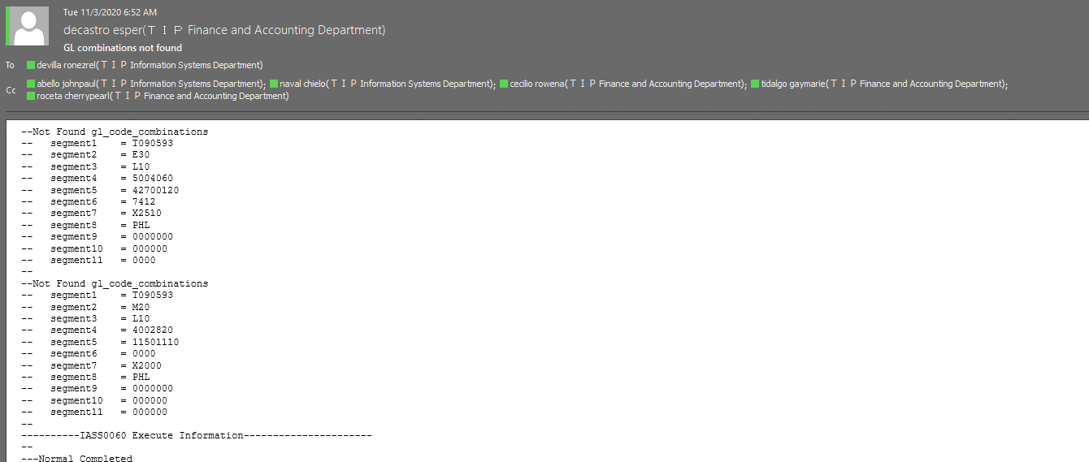
Detailed Inquiry Information

Detailed Investigation Result
Detailed Investigation Result

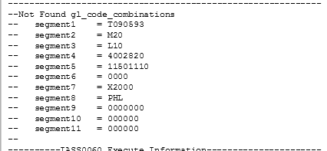

 | Incorrect segment11

 | TRANSACTION_TYPE_NAME | ORG | SUB_CODE | TRANSFER_ORG | TRANSFER_SUB | TO_FIELD | FROM_FIELD | DR_ATTRIBUTE11 | DR_ATTRIBUTE13 | CR_ATTRIBUTE11 | CR_ATTRIBUTE13 | CR_ATTRIBUTE17 | DR_ATTRIBUTE17 | CREATED_BY | CREATION_DATE | LAST_UPDATE_DATE
 | eSSD Interdep expense transfer | MDS | MDSLINE-Y |  |  | T090593.M20.L10.4002820.11501110.0000.X2000.PHL.0000000.000000.000000 | T090593.S30.L10.4003040.42100120.7412.X1310.PHL.0000000.000000.0000 |  | UKP | T0905930000 | UKP |  |  | IASW001000 | 10/29/20 | 10/29/20

 | SELECT *
 | FROM xxia.ias_transactions
 | WHERe 1=1
 | AND period_name = 'OCT-2020'
 | AND debit_code11 = '000000'

 | TRANSACTION_ID | RCV_TRANSACTION_ID | SUM_TRANSACTION_ID | TRANSACTION_SOURCE_ID | TRANSACTION_TYPE_NAME | ORGANIZATION_CODE | SUBINVENTORY_CODE | SPECIAL_CODE | TRANSFER_ORGANIZATION_CODE | TRANSFER_SUBINVENTORY_CODE | TRANSFER_SPECIAL_CODE | ITEM_CODE | TRANSACTION_QUANTITY | TRANSACTION_DATE | PERIOD_NAME | ITEM_UOM | SET_OF_BOOKS_ID | REASON_ID | CURRENCY_CODE | CURRENCY_RATE | USD_RATE | JPY_RATE | CURRENCY_PRICE | USD_PRICE | JPY_PRICE | CURRENCY_AMOUNT | USD_AMOUNT | JPY_AMOUNT | DECISION_STATUS | ACCEPTANCE_STATUS | PROCESS_STATUS | ADJ_TRANSACTION_ID | DEBIT_CODE1 | DEBIT_CODE2 | DEBIT_CODE3 | DEBIT_CODE4 | DEBIT_CODE5 | DEBIT_CODE6 | DEBIT_CODE7 | DEBIT_CODE8 | DEBIT_CODE9 | DEBIT_CODE10 | DEBIT_CODE11 | CREDIT_CODE1 | CREDIT_CODE2 | CREDIT_CODE3 | CREDIT_CODE4 | CREDIT_CODE5 | CREDIT_CODE6 | CREDIT_CODE7 | CREDIT_CODE8 | CREDIT_CODE9 | CREDIT_CODE10 | CREDIT_CODE11 | DEBIT_ATTRIBUTE1 | DEBIT_ATTRIBUTE2 | DEBIT_ATTRIBUTE3 | DEBIT_ATTRIBUTE4 | DEBIT_ATTRIBUTE5 | DEBIT_ATTRIBUTE6 | DEBIT_ATTRIBUTE7 | DEBIT_ATTRIBUTE8 | DEBIT_ATTRIBUTE9 | DEBIT_ATTRIBUTE10 | DEBIT_ATTRIBUTE11 | DEBIT_ATTRIBUTE12 | DEBIT_ATTRIBUTE13 | DEBIT_ATTRIBUTE14 | DEBIT_ATTRIBUTE15 | DEBIT_ATTRIBUTE16 | DEBIT_ATTRIBUTE17 | DEBIT_ATTRIBUTE18 | DEBIT_ATTRIBUTE19 | DEBIT_ATTRIBUTE20 | CREDIT_ATTRIBUTE1 | CREDIT_ATTRIBUTE2 | CREDIT_ATTRIBUTE3 | CREDIT_ATTRIBUTE4 | CREDIT_ATTRIBUTE5 | CREDIT_ATTRIBUTE6 | CREDIT_ATTRIBUTE7 | CREDIT_ATTRIBUTE8 | CREDIT_ATTRIBUTE9 | CREDIT_ATTRIBUTE10 | CREDIT_ATTRIBUTE11 | CREDIT_ATTRIBUTE12 | CREDIT_ATTRIBUTE13 | CREDIT_ATTRIBUTE14 | CREDIT_ATTRIBUTE15 | CREDIT_ATTRIBUTE16 | CREDIT_ATTRIBUTE17 | CREDIT_ATTRIBUTE18 | CREDIT_ATTRIBUTE19 | CREDIT_ATTRIBUTE20 | TRANSACTION_CREATE_ID | TRANSACTION_CREATE_DATE | CREATION_DATE | CREATED_BY | LAST_UPDATE_DATE | LAST_UPDATED_BY | LAST_UPDATE_LOGIN
 | 787957614 |  | 93102652 |  | eSSD Interdep expense transfer | MDS | MDSLINE-Y |  |  |  |  | DSSN74CBTLV1G125DBVR | -3712 | 10/28/20 | Oct-20 | PCE | 2021 | 63 | USD | 1 | 0 | 0 | 0 | 0 | 0 | 0 | 0 | 0 | 2 | 2 | 1 |  | T090593 | M20 | L10 | 4002820 | 11501110 | 0 | X2000 | PHL | 0 | 0 | 0 | T090593 | S30 | L10 | 4003040 | 42100120 | 7412 | X1310 | PHL | 0 | 0 | 0 |  |  |  |  |  |  |  |  |  |  |  |  | UKP |  |  |  |  |  |  |  |  |  |  |  |  |  |  |  |  |  | T0905930000 |  | UKP |  |  |  |  |  |  |  | 4417 | 10/28/20 | 10/30/20 | IASS0010 | 10/30/20 | IASS0450
 | 787957616 |  | 93102647 |  | eSSD Interdep expense transfer | MDS | MDSLINE-Y |  |  |  |  | DSGDM010003822 | -7424 | 10/28/20 | Oct-20 | PCE | 2021 | 63 | USD | 1 | 0 | 0 | 0 | 0 | 0 | 0 | 0 | 0 | 2 | 2 | 1 |  | T090593 | M20 | L10 | 4002820 | 11501110 | 0 | X2000 | PHL | 0 | 0 | 0 | T090593 | S30 | L10 | 4003040 | 42100120 | 7412 | X1310 | PHL | 0 | 0 | 0 |  |  |  |  |  |  |  |  |  |  |  |  | UKP |  |  |  |  |  |  |  |  |  |  |  |  |  |  |  |  |  | T0905930000 |  | UKP |  |  |  |  |  |  |  | 4417 | 10/28/20 | 10/30/20 | IASS0010 | 10/30/20 | IASS0450
 | 787957617 |  | 93102648 |  | eSSD Interdep expense transfer | MDS | MDSLINE-Y |  |  |  |  | DSGDM010003823 | -11136 | 10/28/20 | Oct-20 | PCE | 2021 | 63 | USD | 1 | 0 | 0 | 0 | 0 | 0 | 0 | 0 | 0 | 2 | 2 | 1 |  | T090593 | M20 | L10 | 4002820 | 11501110 | 0 | X2000 | PHL | 0 | 0 | 0 | T090593 | S30 | L10 | 4003040 | 42100120 | 7412 | X1310 | PHL | 0 | 0 | 0 |  |  |  |  |  |  |  |  |  |  |  |  | UKP |  |  |  |  |  |  |  |  |  |  |  |  |  |  |  |  |  | T0905930000 |  | UKP |  |  |  |  |  |  |  | 4417 | 10/28/20 | 10/30/20 | IASS0010 | 10/30/20 | IASS0450
 | 787957613 |  | 93102646 |  | eSSD Interdep expense transfer | MDS | MDSLINE-Y |  |  |  |  | DS1511070010 | -3712 | 10/28/20 | Oct-20 | PCE | 2021 | 63 | USD | 1 | 0 | 0 | 0 | 0 | 0 | 0 | 0 | 0 | 2 | 2 | 1 |  | T090593 | M20 | L10 | 4002820 | 11501110 | 0 | X2000 | PHL | 0 | 0 | 0 | T090593 | S30 | L10 | 4003040 | 42100120 | 7412 | X1310 | PHL | 0 | 0 | 0 |  |  |  |  |  |  |  |  |  |  |  |  | UKP |  |  |  |  |  |  |  |  |  |  |  |  |  |  |  |  |  | T0905930000 |  | UKP |  |  |  |  |  |  |  | 4417 | 10/28/20 | 10/30/20 | IASS0010 | 10/30/20 | IASS0450
 | 787957619 |  | 93102650 |  | eSSD Interdep expense transfer | MDS | MDSLINE-Y |  |  |  |  | DSGDM030002514 | -33408 | 10/28/20 | Oct-20 | PCE | 2021 | 63 | USD | 1 | 0 | 0 | 0 | 0 | 0 | 0 | 0 | 0 | 2 | 2 | 1 |  | T090593 | M20 | L10 | 4002820 | 11501110 | 0 | X2000 | PHL | 0 | 0 | 0 | T090593 | S30 | L10 | 4003040 | 42100120 | 7412 | X1310 | PHL | 0 | 0 | 0 |  |  |  |  |  |  |  |  |  |  |  |  | UKP |  |  |  |  |  |  |  |  |  |  |  |  |  |  |  |  |  | T0905930000 |  | UKP |  |  |  |  |  |  |  | 4417 | 10/28/20 | 10/30/20 | IASS0010 | 10/30/20 | IASS0450
 | 787957615 |  | 93102651 |  | eSSD Interdep expense transfer | MDS | MDSLINE-Y |  |  |  |  | DSRK73H1ETTP49R9F | -3712 | 10/28/20 | Oct-20 | PCE | 2021 | 63 | USD | 1 | 0 | 0 | 0 | 0 | 0 | 0 | 0 | 0 | 2 | 2 | 1 |  | T090593 | M20 | L10 | 4002820 | 11501110 | 0 | X2000 | PHL | 0 | 0 | 0 | T090593 | S30 | L10 | 4003040 | 42100120 | 7412 | X1310 | PHL | 0 | 0 | 0 |  |  |  |  |  |  |  |  |  |  |  |  | UKP |  |  |  |  |  |  |  |  |  |  |  |  |  |  |  |  |  | T0905930000 |  | UKP |  |  |  |  |  |  |  | 4417 | 10/28/20 | 10/30/20 | IASS0010 | 10/30/20 | IASS0450
 | 787957612 |  | 93102653 |  | eSSD Interdep expense transfer | MDS | MDSLINE-Y |  |  |  |  | DSSN74LVC2G07DCKR | -3712 | 10/28/20 | Oct-20 | PCE | 2021 | 63 | USD | 1 | 0 | 0 | 0 | 0 | 0 | 0 | 0 | 0 | 2 | 2 | 1 |  | T090593 | M20 | L10 | 4002820 | 11501110 | 0 | X2000 | PHL | 0 | 0 | 0 | T090593 | S30 | L10 | 4003040 | 42100120 | 7412 | X1310 | PHL | 0 | 0 | 0 |  |  |  |  |  |  |  |  |  |  |  |  | UKP |  |  |  |  |  |  |  |  |  |  |  |  |  |  |  |  |  | T0905930000 |  | UKP |  |  |  |  |  |  |  | 4417 | 10/28/20 | 10/30/20 | IASS0010 | 10/30/20 | IASS0450
 | 787957618 |  | 93102649 |  | eSSD Interdep expense transfer | MDS | MDSLINE-Y |  |  |  |  | DSGDM01S00004L | -3712 | 10/28/20 | Oct-20 | PCE | 2021 | 63 | USD | 1 | 0 | 0 | 0 | 0 | 0 | 0 | 0 | 0 | 2 | 2 | 1 |  | T090593 | M20 | L10 | 4002820 | 11501110 | 0 | X2000 | PHL | 0 | 0 | 0 | T090593 | S30 | L10 | 4003040 | 42100120 | 7412 | X1310 | PHL | 0 | 0 | 0 |  |  |  |  |  |  |  |  |  |  |  |  | UKP |  |  |  |  |  |  |  |  |  |  |  |  |  |  |  |  |  | T0905930000 |  | UKP |  |  |  |  |  |  |  | 4417 | 10/28/20 | 10/30/20 | IASS0010 | 10/30/20 | IASS0450

 | SELECT *
 | FROM xxia.ias_transactions_sum
 | WHERe 1=1
 | AND period_name = 'OCT-2020'
 | AND debit_code11 = '000000'

 | TRANSACTION_ID | RCV_TRANSACTION_ID | HQ_SYORI_NO | TRANSACTION_SOURCE_ID | GL_TRANSACTION_ID | GL_CONNECT_FLAG | TRANSACTION_TYPE_NAME | ORGANIZATION_CODE | SUBINVENTORY_CODE | SPECIAL_CODE | TRANSFER_ORGANIZATION_CODE | TRANSFER_SUBINVENTORY_CODE | TRANSFER_SPECIAL_CODE | ITEM_CODE | TRANSACTION_QUANTITY | TRANSACTION_DATE | PERIOD_NAME | ITEM_UOM | SET_OF_BOOKS_ID | REASON_ID | CURRENCY_CODE | CURRENCY_RATE | USD_RATE | JPY_RATE | CURRENCY_PRICE_TEMP | USD_PRICE_TEMP | JPY_PRICE_TEMP | CURRENCY_AMOUNT_TEMP | USD_AMOUNT_TEMP | JPY_AMOUNT_TEMP | CURRENCY_PRICE | USD_PRICE | JPY_PRICE | CURRENCY_AMOUNT | USD_AMOUNT | JPY_AMOUNT | DECISION_STATUS | ACCEPTANCE_STATUS | EXTRACT_FLAG | PROCESS_STATUS | ADJ_TRANSACTION_ID | DEBIT_CODE1 | DEBIT_CODE2 | DEBIT_CODE3 | DEBIT_CODE4 | DEBIT_CODE5 | DEBIT_CODE6 | DEBIT_CODE7 | DEBIT_CODE8 | DEBIT_CODE9 | DEBIT_CODE10 | DEBIT_CODE11 | CREDIT_CODE1 | CREDIT_CODE2 | CREDIT_CODE3 | CREDIT_CODE4 | CREDIT_CODE5 | CREDIT_CODE6 | CREDIT_CODE7 | CREDIT_CODE8 | CREDIT_CODE9 | CREDIT_CODE10 | CREDIT_CODE11 | DEBIT_ATTRIBUTE1 | DEBIT_ATTRIBUTE2 | DEBIT_ATTRIBUTE3 | DEBIT_ATTRIBUTE4 | DEBIT_ATTRIBUTE5 | DEBIT_ATTRIBUTE6 | DEBIT_ATTRIBUTE7 | DEBIT_ATTRIBUTE8 | DEBIT_ATTRIBUTE9 | DEBIT_ATTRIBUTE10 | DEBIT_ATTRIBUTE11 | DEBIT_ATTRIBUTE12 | DEBIT_ATTRIBUTE13 | DEBIT_ATTRIBUTE14 | DEBIT_ATTRIBUTE15 | DEBIT_ATTRIBUTE16 | DEBIT_ATTRIBUTE17 | DEBIT_ATTRIBUTE18 | DEBIT_ATTRIBUTE19 | DEBIT_ATTRIBUTE20 | CREDIT_ATTRIBUTE1 | CREDIT_ATTRIBUTE2 | CREDIT_ATTRIBUTE3 | CREDIT_ATTRIBUTE4 | CREDIT_ATTRIBUTE5 | CREDIT_ATTRIBUTE6 | CREDIT_ATTRIBUTE7 | CREDIT_ATTRIBUTE8 | CREDIT_ATTRIBUTE9 | CREDIT_ATTRIBUTE10 | CREDIT_ATTRIBUTE11 | CREDIT_ATTRIBUTE12 | CREDIT_ATTRIBUTE13 | CREDIT_ATTRIBUTE14 | CREDIT_ATTRIBUTE15 | CREDIT_ATTRIBUTE16 | CREDIT_ATTRIBUTE17 | CREDIT_ATTRIBUTE18 | CREDIT_ATTRIBUTE19 | CREDIT_ATTRIBUTE20 | TRANSACTION_CREATE_ID | TRANSACTION_CREATE_DATE | CREATION_DATE | CREATED_BY | LAST_UPDATE_DATE | LAST_UPDATED_BY | LAST_UPDATE_LOGIN
 | 93102646 |  |  |  |  |  | eSSD Interdep expense transfer | MDS | MDSLINE-Y |  |  |  |  | DS1511070010 | -3712 | 10/28/20 | Oct-20 | PCE | 2021 | 63 | USD | 1 | 0 | 0 | 9.66123 | 0 | 0 | -35862.49 | 0 | 0 | 0 | 0 | 0 | 0 | 0 | 0 | 2 | 2 | 0 | 5 |  | T090593 | M20 | L10 | 4002820 | 11501110 | 0 | X2000 | PHL | 0 | 0 | 0 | T090593 | S30 | L10 | 4003040 | 42100120 | 7412 | X1310 | PHL | 0 | 0 | 0 |  |  |  |  |  |  |  |  |  |  |  |  | UKP |  |  |  |  |  |  |  |  |  |  |  |  |  |  |  |  |  | T0905930000 |  | UKP |  |  |  |  |  |  |  | 4417 | 10/28/20 | 10/30/20 | IASS0010 | 11/3/20 | IASS0050
 | 93102647 |  |  |  |  |  | eSSD Interdep expense transfer | MDS | MDSLINE-Y |  |  |  |  | DSGDM010003822 | -7424 | 10/28/20 | Oct-20 | PCE | 2021 | 63 | USD | 1 | 0 | 0 | 0.00042 | 0 | 0 | -3.12 | 0 | 0 | 0 | 0 | 0 | 0 | 0 | 0 | 2 | 2 | 0 | 5 |  | T090593 | M20 | L10 | 4002820 | 11501110 | 0 | X2000 | PHL | 0 | 0 | 0 | T090593 | S30 | L10 | 4003040 | 42100120 | 7412 | X1310 | PHL | 0 | 0 | 0 |  |  |  |  |  |  |  |  |  |  |  |  | UKP |  |  |  |  |  |  |  |  |  |  |  |  |  |  |  |  |  | T0905930000 |  | UKP |  |  |  |  |  |  |  | 4417 | 10/28/20 | 10/30/20 | IASS0010 | 11/3/20 | IASS0050
 | 93102648 |  |  |  |  |  | eSSD Interdep expense transfer | MDS | MDSLINE-Y |  |  |  |  | DSGDM010003823 | -11136 | 10/28/20 | Oct-20 | PCE | 2021 | 63 | USD | 1 | 0 | 0 | 0.00043 | 0 | 0 | -4.79 | 0 | 0 | 0 | 0 | 0 | 0 | 0 | 0 | 2 | 2 | 0 | 5 |  | T090593 | M20 | L10 | 4002820 | 11501110 | 0 | X2000 | PHL | 0 | 0 | 0 | T090593 | S30 | L10 | 4003040 | 42100120 | 7412 | X1310 | PHL | 0 | 0 | 0 |  |  |  |  |  |  |  |  |  |  |  |  | UKP |  |  |  |  |  |  |  |  |  |  |  |  |  |  |  |  |  | T0905930000 |  | UKP |  |  |  |  |  |  |  | 4417 | 10/28/20 | 10/30/20 | IASS0010 | 11/3/20 | IASS0050
 | 93102649 |  |  |  |  |  | eSSD Interdep expense transfer | MDS | MDSLINE-Y |  |  |  |  | DSGDM01S00004L | -3712 | 10/28/20 | Oct-20 | PCE | 2021 | 63 | USD | 1 | 0 | 0 | 0.00049 | 0 | 0 | -1.82 | 0 | 0 | 0 | 0 | 0 | 0 | 0 | 0 | 2 | 2 | 0 | 5 |  | T090593 | M20 | L10 | 4002820 | 11501110 | 0 | X2000 | PHL | 0 | 0 | 0 | T090593 | S30 | L10 | 4003040 | 42100120 | 7412 | X1310 | PHL | 0 | 0 | 0 |  |  |  |  |  |  |  |  |  |  |  |  | UKP |  |  |  |  |  |  |  |  |  |  |  |  |  |  |  |  |  | T0905930000 |  | UKP |  |  |  |  |  |  |  | 4417 | 10/28/20 | 10/30/20 | IASS0010 | 11/3/20 | IASS0050
 | 93102650 |  |  |  |  |  | eSSD Interdep expense transfer | MDS | MDSLINE-Y |  |  |  |  | DSGDM030002514 | -33408 | 10/28/20 | Oct-20 | PCE | 2021 | 63 | USD | 1 | 0 | 0 | 0.00066 | 0 | 0 | -22.05 | 0 | 0 | 0 | 0 | 0 | 0 | 0 | 0 | 2 | 2 | 0 | 5 |  | T090593 | M20 | L10 | 4002820 | 11501110 | 0 | X2000 | PHL | 0 | 0 | 0 | T090593 | S30 | L10 | 4003040 | 42100120 | 7412 | X1310 | PHL | 0 | 0 | 0 |  |  |  |  |  |  |  |  |  |  |  |  | UKP |  |  |  |  |  |  |  |  |  |  |  |  |  |  |  |  |  | T0905930000 |  | UKP |  |  |  |  |  |  |  | 4417 | 10/28/20 | 10/30/20 | IASS0010 | 11/3/20 | IASS0050
 | 93102651 |  |  |  |  |  | eSSD Interdep expense transfer | MDS | MDSLINE-Y |  |  |  |  | DSRK73H1ETTP49R9F | -3712 | 10/28/20 | Oct-20 | PCE | 2021 | 63 | USD | 1 | 0 | 0 | 0.00931 | 0 | 0 | -34.56 | 0 | 0 | 0 | 0 | 0 | 0 | 0 | 0 | 2 | 2 | 0 | 5 |  | T090593 | M20 | L10 | 4002820 | 11501110 | 0 | X2000 | PHL | 0 | 0 | 0 | T090593 | S30 | L10 | 4003040 | 42100120 | 7412 | X1310 | PHL | 0 | 0 | 0 |  |  |  |  |  |  |  |  |  |  |  |  | UKP |  |  |  |  |  |  |  |  |  |  |  |  |  |  |  |  |  | T0905930000 |  | UKP |  |  |  |  |  |  |  | 4417 | 10/28/20 | 10/30/20 | IASS0010 | 11/3/20 | IASS0050
 | 93102652 |  |  |  |  |  | eSSD Interdep expense transfer | MDS | MDSLINE-Y |  |  |  |  | DSSN74CBTLV1G125DBVR | -3712 | 10/28/20 | Oct-20 | PCE | 2021 | 63 | USD | 1 | 0 | 0 | 0.81636 | 0 | 0 | -3030.33 | 0 | 0 | 0 | 0 | 0 | 0 | 0 | 0 | 2 | 2 | 0 | 5 |  | T090593 | M20 | L10 | 4002820 | 11501110 | 0 | X2000 | PHL | 0 | 0 | 0 | T090593 | S30 | L10 | 4003040 | 42100120 | 7412 | X1310 | PHL | 0 | 0 | 0 |  |  |  |  |  |  |  |  |  |  |  |  | UKP |  |  |  |  |  |  |  |  |  |  |  |  |  |  |  |  |  | T0905930000 |  | UKP |  |  |  |  |  |  |  | 4417 | 10/28/20 | 10/30/20 | IASS0010 | 11/3/20 | IASS0050
 | 93102653 |  |  |  |  |  | eSSD Interdep expense transfer | MDS | MDSLINE-Y |  |  |  |  | DSSN74LVC2G07DCKR | -3712 | 10/28/20 | Oct-20 | PCE | 2021 | 63 | USD | 1 | 0 | 0 | 0.17893 | 0 | 0 | -664.19 | 0 | 0 | 0 | 0 | 0 | 0 | 0 | 0 | 2 | 2 | 0 | 5 |  | T090593 | M20 | L10 | 4002820 | 11501110 | 0 | X2000 | PHL | 0 | 0 | 0 | T090593 | S30 | L10 | 4003040 | 42100120 | 7412 | X1310 | PHL | 0 | 0 | 0 |  |  |  |  |  |  |  |  |  |  |  |  | UKP |  |  |  |  |  |  |  |  |  |  |  |  |  |  |  |  |  | T0905930000 |  | UKP |  |  |  |  |  |  |  | 4417 | 10/28/20 | 10/30/20 | IASS0010 | 11/3/20 | IASS0050

Actual Operation Evidence
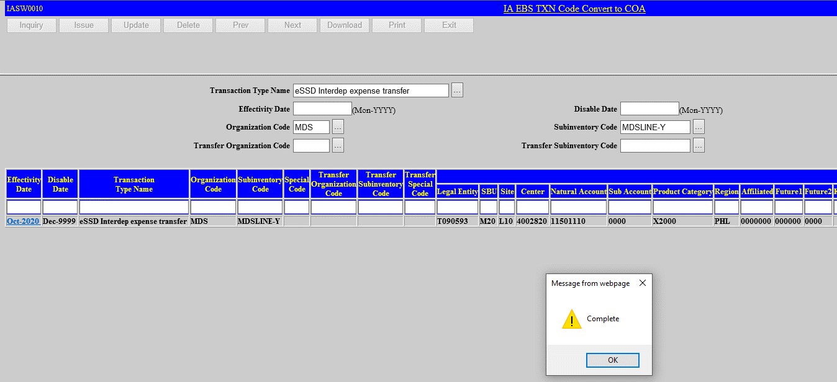
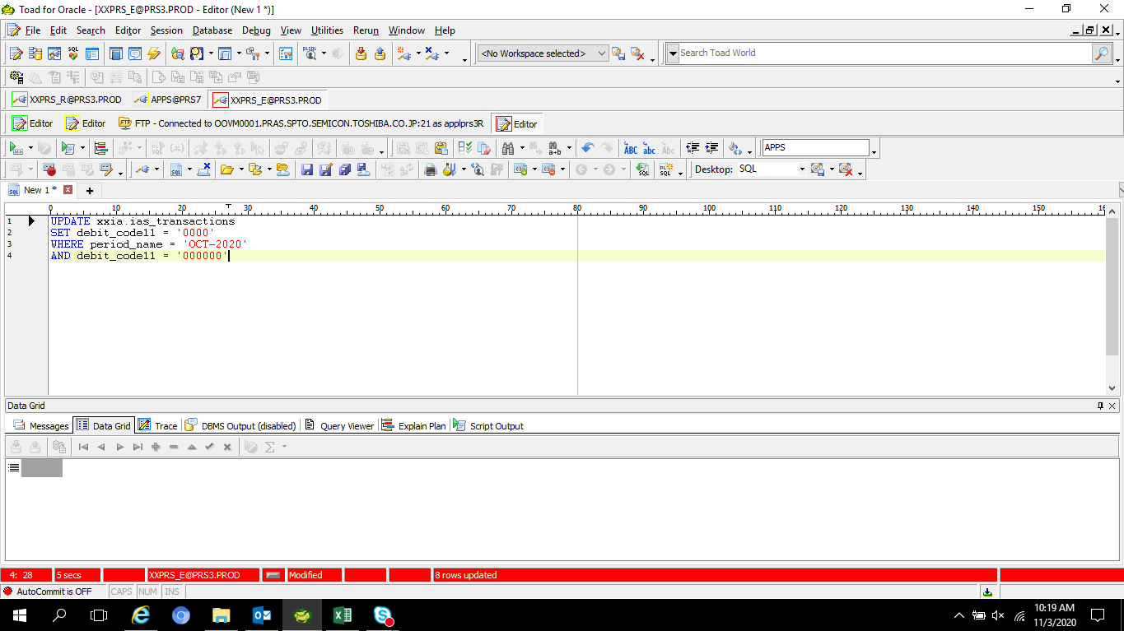
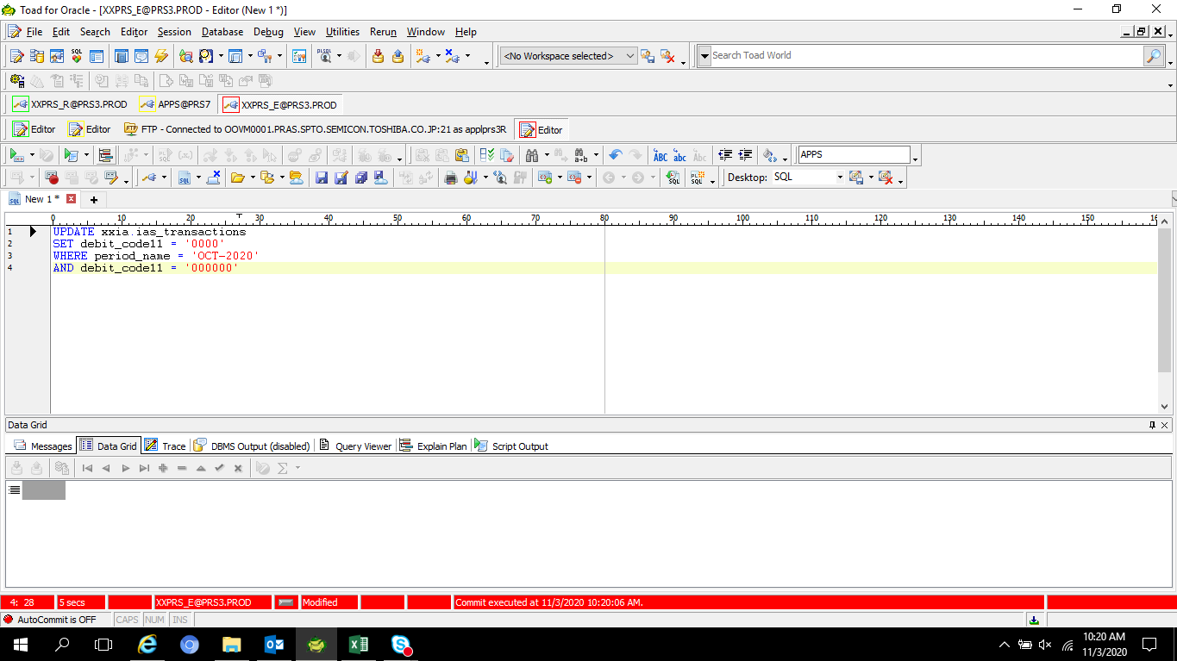
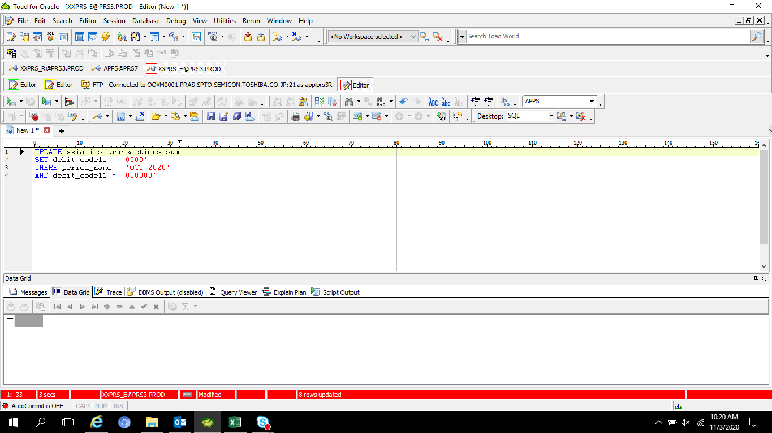
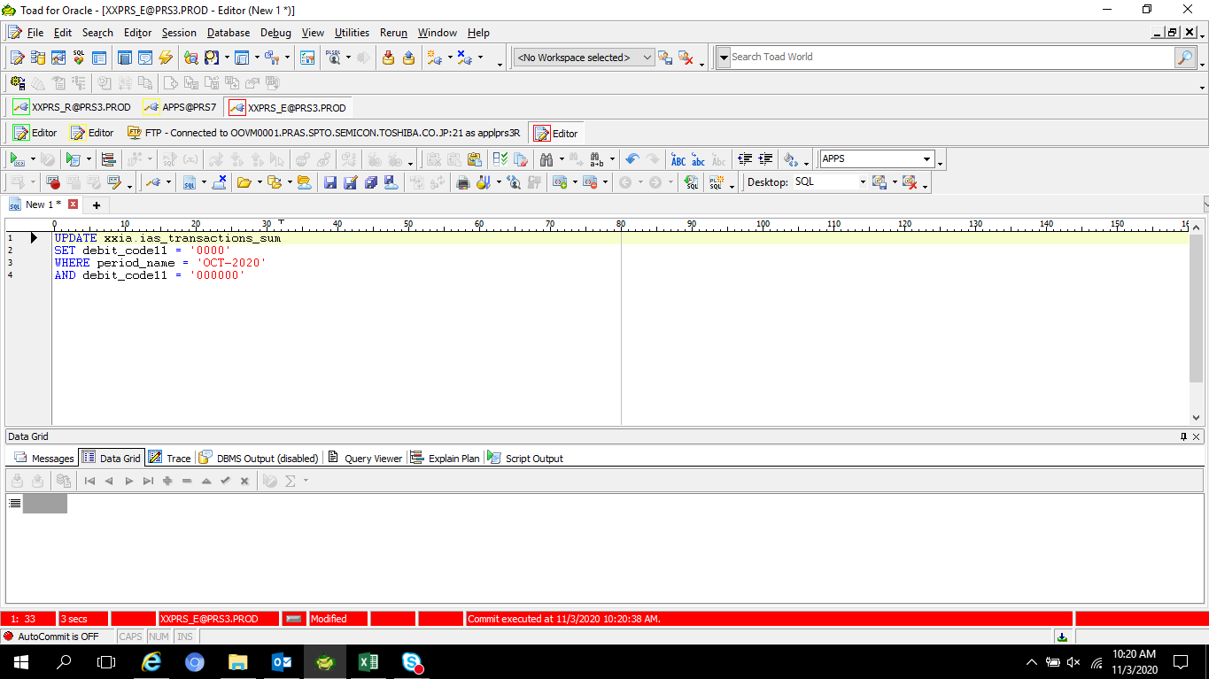
Actual Operation Evidence

 | UPDATE segment11 to 0000

